Read First
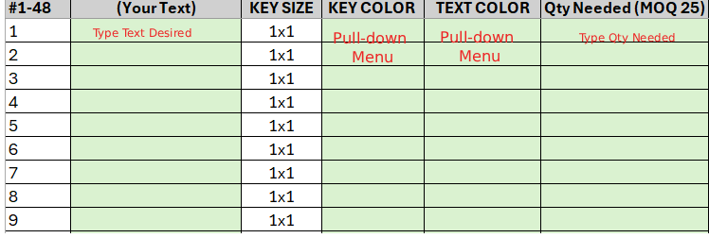
HOW TO USE: ONLY GREEN SPACES ARE EDITABLE
 |  | CP24 Label Sheet Layout | CP48 Label Sheet Layout
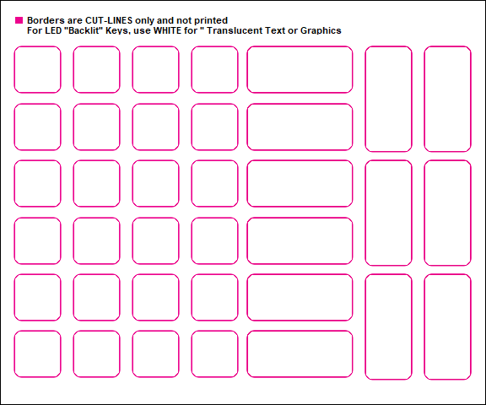
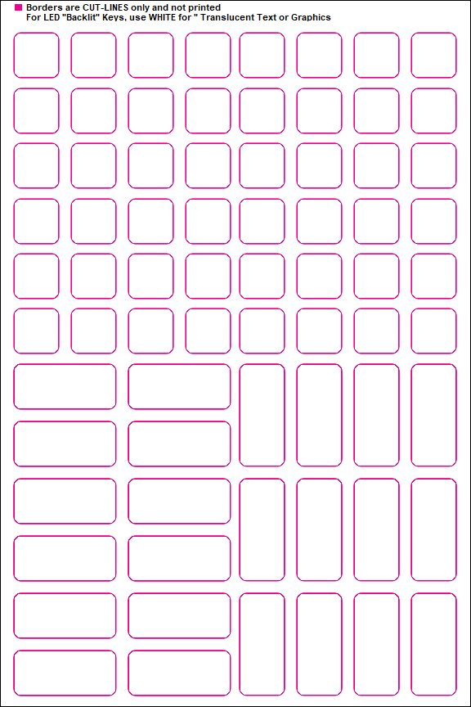

 | Based on key size needed,
 | use appropriate secton of template.

CP24 Label Sheet
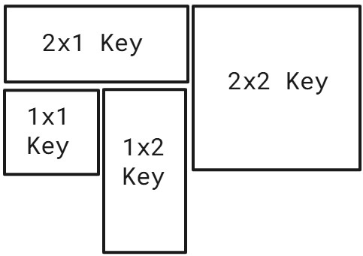
#1-48 | (Your Text) | KEY SIZE | KEY COLOR | TEXT COLOR | Qty Needed (MOQ 25) | #1-12 | (Your Text) | KEY SIZE | KEY COLOR | TEXT COLOR | Qty Needed (MOQ 25)
1 |  | 1x1 |  |  |  | 1 |  | 2x1
2 |  | 1x1 |  |  |  | 2 |  | 2x1
3 |  | 1x1 |  |  |  | 3 |  | 2x1
4 |  | 1x1 |  |  |  | 4 |  | 2x1
5 |  | 1x1 |  |  |  | 5 |  | 2x1
6 |  | 1x1 |  |  |  | 6 |  | 2x1
7 |  | 1x1 |  |  |  |  | 0 |  |  |  | 0
8 |  | 1x1
9 |  | 1x1 |  |  |  | #1-12 | (Your Text) | KEY SIZE | KEY COLOR | TEXT COLOR | Qty Needed (MOQ 25)
10 |  | 1x1 |  |  |  | 1 |  | 1X2
11 |  | 1x1 |  |  |  | 2 |  | 1X2
12 |  | 1x1 |  |  |  | 3 |  | 1X2
13 |  | 1x1 |  |  |  | 4 |  | 1X2
14 |  | 1x1 |  |  |  | 5 |  | 1X2
15 |  | 1x1 |  |  |  | 6 |  | 1X2
16 |  | 1x1 |  |  |  |  | 0 |  |  |  | 0
17 |  | 1x1
18 |  | 1x1 |  |  |  | #1-12 | LEGEND | KEY SIZE | KEY COLOR | TEXT COLOR | Qty Needed (MOQ 25)
19 |  | 1x1 |  |  |  | 1 |  | 2x2
20 |  | 1x1 |  |  |  | 2 |  | 2x2
21 |  | 1x1 |  |  |  | 3 |  | 2x2
22 |  | 1x1 |  |  |  | 4 |  | 2x2
23 |  | 1x1 |  |  |  | 5 |  | 2x2
24 |  | 1x1 |  |  |  | 6 |  | 2x2
25 |  | 1x1 |  |  |  |  | 0 |  |  |  | 0
26 |  | 1x1
27 |  | 1x1
28 |  | 1x1
29 |  | 1x1
30 |  | 1x1
 | 0 |  |  |  | 0

